Story
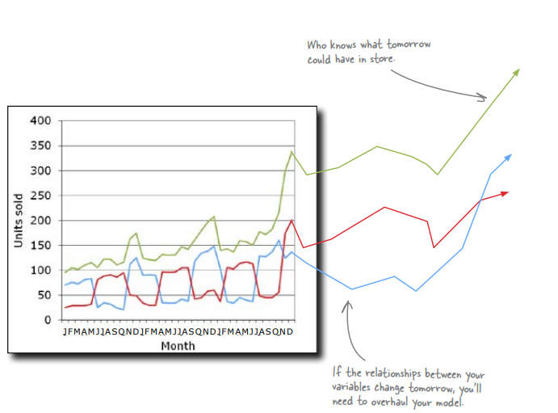
You’re now in the bath toy game

You’ve been hired by Bathing Friends Unlimited, one of the country’s premier manufactures of rubber duckies and fish for bath-time entertainment purposes. Believe it or not, bath toys are a serious and profitable business. They want to make more money, and they hear that managing their business through data analysis is all the rage, so they called you!

Client email
From: Bathing Friends Unlimited To: Head First Subject: Requested analysis of product mix Dear Analyst, We’re excited to have you! We want to be as profitable as possible, and in order to get our profits up, we need to make sure we’re making the right amount of ducks and the right amount of fish. What we need you to help us figure out is our ideal product mix: how much of each should we manufacture? Looking forward to your work. We’ve heard great things. Regards, BFU

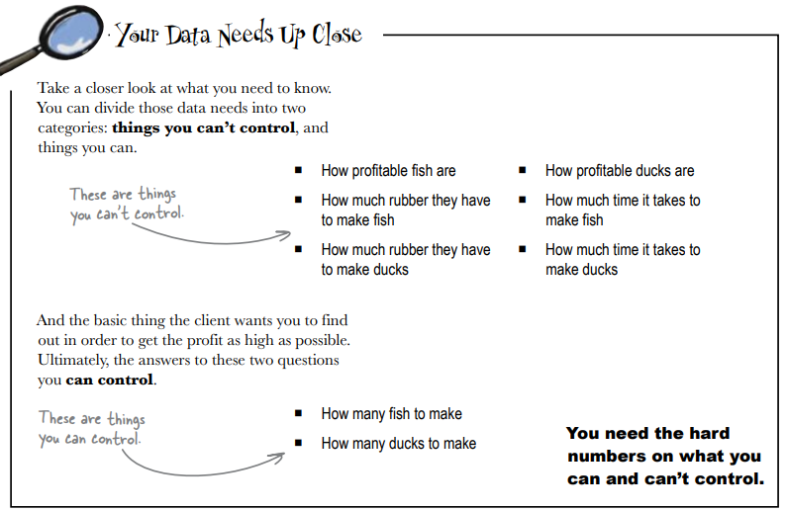
1- What data do you need to solve this problem?

Your spreadsheet does optimization

Microsoft Excel and OpenOffice both have a handy little utility called Solver that can make short order of your optimization problems. If you plug in the constraints and write the objective function, Solver does the algebra for you. Take a look at this spreadsheet, which describes all the information you received from Bathing Friends Unlimited.
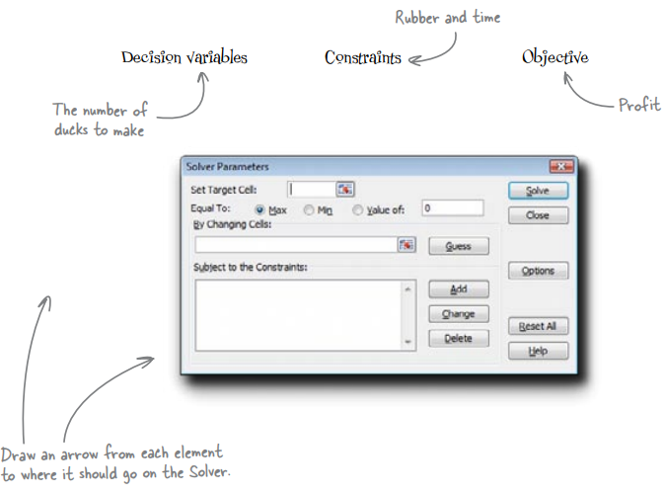

Bathing Friends Unlimited

Manufacturing plan for December

Count |  | Total
Duck | 100.00
Fish | 100.00 | 200.00

Rubber pellets
 |  | Needed per unit | Used for 100 units | Used for 100 units
Duck |  | 100.00 | 10,000.00 | 1,000,000.00
Fich |  | 125.00 | 12,500.00 | 1,250,000.00
Total pellets used |  | 22,500.00
Pellet supply |  | 50,000.00

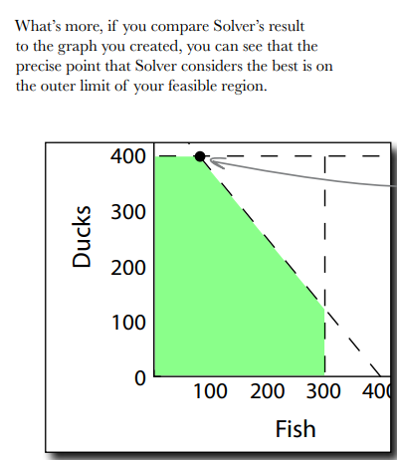
Unit profit
Duck |  | $5.00
Fish |  | $4.00
Total profit for 100 unit each |  | $900.00

Solver crunched your optimization problem in a snap

Nice work. Solver took all of about a millisecond to find the solution to your optimization problem. If Bathing Friends Unlimited wants to maximize its profit, it need only manufacture 400 ducks and 80 fish.

PART 2

Profits fell through the floor
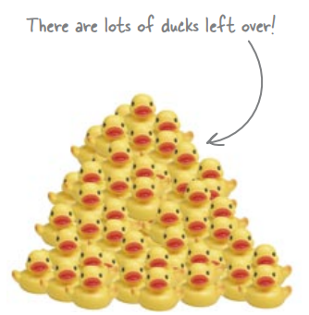
You just got this note from Bathing Friends Unlimited about the results of your analysis…

From: Bathing Friends Unlimited To: Head First Subject: Results of your “analysis” Dear Analyst, Frankly, we’re shocked. We sold all 80 of the fish we produced, but we only sold 20 ducks. That means our gross profit is only $420, which you might realize is way below the estimate you gave us of $2,320. Clearly, we wanted something better than this. We haven’t ever had this sort of experience before with our duck sales, so for the moment we’re not blaming you for this until we can do our own internal evaluation of what happened. You might want to do your own analysis, too. Regards, BFU

Calibrate your assumptions to your analytical objectives

You can’t specify all your assumptions, but if you miss an important one it could ruin your analysis. You will always be asking yourself how far you need to go specifying assumptions. It depends on how important your analysis is.

What assumption do you need to include in order to get your optimization model working again?

Month | Year | Fish | Ducks | Total
J | 2006 | 71 | 25 | 96
F | 2006 | 76 | 29 | 105
M | 2006 | 73 | 29 | 102
A | 2006 | 81 | 29 | 110
M | 2006 | 83 | 32 | 115
J | 2006 | 25 | 81 | 106
J | 2006 | 35 | 89 | 124
A | 2006 | 32 | 91 | 123
S | 2006 | 25 | 87 | 112
O | 2006 | 21 | 96 | 117
N | 2006 | 113 | 51 | 164
D | 2006 | 125 | 49 | 174
J | 2007 | 90 | 34 | 124
F | 2007 | 91 | 30 | 121
M | 2007 | 90 | 30 | 120
A | 2007 | 35 | 97 | 132
M | 2007 | 34 | 96 | 130
J | 2007 | 34 | 97 | 131
J | 2007 | 43 | 105 | 148
A | 2007 | 38 | 105 | 143
S | 2007 | 119 | 43 | 162
O | 2007 | 134 | 45 | 179
N | 2007 | 139 | 58 | 197
D | 2007 | 148 | 60 | 208
J | 2008 | 103 | 37 | 140
F | 2008 | 37 | 106 | 143
M | 2008 | 34 | 103 | 137
A | 2008 | 45 | 114 | 159
M | 2008 | 40 | 117 | 157
J | 2008 | 37 | 113 | 150
J | 2008 | 129 | 48 | 177
A | 2008 | 127 | 45 | 172
S | 2008 | 137 | 45 | 182
O | 2008 | 160 | 56 | 216
N | 2008 | 125 | 175 | 300
D | 2008 | 137 | 201 | 338

Watch out for negatively linked variables

We don’t know why rubber duck and fish sales seem to go in opposite directions from each other, but it sure looks like they are negatively linked. More of one means less of the other

Don’t assume that two variables are independent of each other. Any time you create a model, make sure you specify your assumptions about how the variables relate to each other.

Looking at the historical sales data, estimate what you think the highest amount of sales for ducks and fish will be next month. Assume also that the next month will follow the trend of the months that precede it.
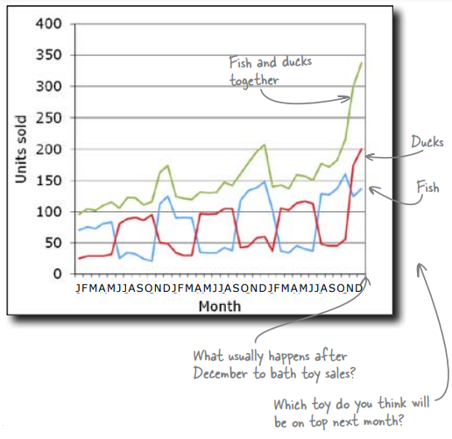

Run the Solver again, adding your estimates as new constraints. For both ducks and fish, what do you think is the maximum number of units you could hope to sell?
 |  |  |  |  | Note: the author found a different profit ($950), I didn't get how he estimated the constraints of ducks <50 and fish <150 to be honest
Your new plan is working like a charm!

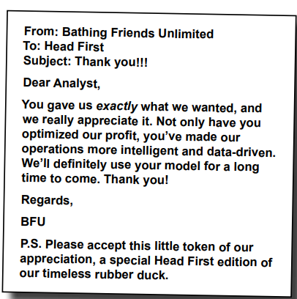
The new plan is working brilliantly. Nearly every duck and fish that comes out of their manufacturing operation is sold immediately, so they have no excess inventory and every reason to believe that the profit maximization model has them where they need to be

Good job! One question: the model works because you got the relationship right between duck demand and fish demand. But what if that relationship changes? What if people start buying them together, or not at all?

Your assumptions are based on an ever-changing reality

All your data is observational, and you don’t know what will happen in the future. Your model is working now, but it might break suddenly. You need to be ready and able to reframe your analysis as necessary. This perpetual, iterative framework is what analysts do.

My work
1. What data do you need to solve this problem?

We need to understand our customers preferences, If we can collaborate with stores to know what kids prefer between the rubber duckies and the fish, for that we need the quantity purchased and the price of each one. Next I need to know how much profit do you make selling each one of them, and finaly I need the cost for the materials to make each toys

Count
Duck | 400.00
Fish | 80.00

Rubber pellets
 |  | Needed per unit | Used for 100 units
Duck |  | 100.00 | 40,000.00
Fich |  | 125.00 | 10,000.00
Total pellets used |  | 50,000.00
Pellet supply |  | 50,000.00

Unit profit
Duck |  | $5.00
Fish |  | $4.00
Total profit for 100 unit each |  | $2,320.00

We saw that the green region is the feasable region, this is the mix of ducks and fish that meets our constraints, however we couldn't know what is the mix that will optimize the profit, so thanks to the "resolver" it gave us the solution of maximum profit given the three constraints : number of ducks <= 400, number of fish <= 300 and rubber pellet needed per unit * (number of ducks + number of fish ) <= 50000

What assumption do you need to include in order to get your optimization model working again?

What I know |  |  | What I don't know
I know the material amount needed to make each unit, I know the unit price, and the maximum to make of each during a month |  |  | What I don't know is, what toy is most popular to kids ? How much did they sell in each month over the past year ? Is there some periods where ducks are sold more than fish and vise versa ? Do we know anything about their competitors ?

Process and clean my data

Month | Year | Month/year | Fish | Ducks | Total
1 | 2006 | 1/2006 | 71 | 25 | 96
2 | 2006 | 2/2006 | 76 | 29 | 105
3 | 2006 | 3/2006 | 73 | 29 | 102
4 | 2006 | 4/2006 | 81 | 29 | 110
5 | 2006 | 5/2006 | 83 | 32 | 115
6 | 2006 | 6/2006 | 25 | 81 | 106
7 | 2006 | 7/2006 | 35 | 89 | 124
8 | 2006 | 8/2006 | 32 | 91 | 123
9 | 2006 | 9/2006 | 25 | 87 | 112
10 | 2006 | 10/2006 | 21 | 96 | 117
11 | 2006 | 11/2006 | 113 | 51 | 164
12 | 2006 | 12/2006 | 125 | 49 | 174
1 | 2007 | 1/2007 | 90 | 34 | 124
2 | 2007 | 2/2007 | 91 | 30 | 121
3 | 2007 | 3/2007 | 90 | 30 | 120
4 | 2007 | 4/2007 | 35 | 97 | 132
5 | 2007 | 5/2007 | 34 | 96 | 130
6 | 2007 | 6/2007 | 34 | 97 | 131
7 | 2007 | 7/2007 | 43 | 105 | 148
8 | 2007 | 8/2007 | 38 | 105 | 143
9 | 2007 | 9/2007 | 119 | 43 | 162
10 | 2007 | 10/2007 | 134 | 45 | 179
11 | 2007 | 11/2007 | 139 | 58 | 197
12 | 2007 | 12/2007 | 148 | 60 | 208
1 | 2008 | 1/2008 | 103 | 37 | 140
2 | 2008 | 2/2008 | 37 | 106 | 143
3 | 2008 | 3/2008 | 34 | 103 | 137
4 | 2008 | 4/2008 | 45 | 114 | 159
5 | 2008 | 5/2008 | 40 | 117 | 157
6 | 2008 | 6/2008 | 37 | 113 | 150
7 | 2008 | 7/2008 | 129 | 48 | 177
8 | 2008 | 8/2008 | 127 | 45 | 172
9 | 2008 | 9/2008 | 137 | 45 | 182
10 | 2008 | 10/2008 | 160 | 56 | 216
11 | 2008 | 11/2008 | 125 | 175 | 300
12 | 2008 | 12/2008 | 137 | 201 | 338

Fish and Ducks sales from 2006 to 2009

From a first observation it seems like every 5 months the number of sales are in favor of one of the toys, when ducks sales are rising, fish sales are going down, and vise versa, and this approximately happens each 5 months and there is always a rise in sales in december (both sales)

Fish, Ducks and Total sales from 2006 to 2009

 | Months/ year | Fish | Ducks | Total
 | 1/2006 to 5/2006 | 77 | 29 | 106
 | 6/2006 to 10/2006 | 28 | 89 | 116
 | 11/2006 to 3/2007 | 102 | 39 | 141
 | 4/2007 to 8/2007 | 37 | 100 | 137
 | 9/2007 to 1/2008 | 129 | 49 | 177
 | 2/2008 to 6/2008 | 39 | 111 | 149
 | 7/2008 to 11/2008 | 136 | 74 | 209

 | Since the next month is january, I want to make sure to see how sells perform during that month and use my previous data as well

 |  |  |  | Ducks sales growth | Fish sales growth | Max estimated this january for ducks | Max estimated this january for fish
 | Month/year | AVERAGE of Ducks | AVERAGE of Fish |  |  | #VALUE! | #VALUE!
 | 1/2006 | 25 | 71 | #VALUE! | #VALUE!
 | 1/2007 | 34 | 90 | 1.36 | 1.2676056338
 | 1/2008 | 37 | 103 | #VALUE! | #VALUE!
 | Grand Total | 32 | 88

 |  |  |  |  | We can see from here that the number of ducks sold throughout the years in january are always around , since january is more likely to be a month where we will start having sales lowering (see the yellow total after each spike) we will assume that we will sell around 50 for ducks maximum and 130 max for fish maximum
 | Count
 | Duck | 50.00
 | Fish | 130.00

 | Rubber pellets
 |  |  | Needed per unit | Used for 100 units
 | Duck |  | 100.00 | 5,000.00
 | Fich |  | 125.00 | 16,250.00
 | Total pellets used |  | 21,250.00
 | Pellet supply |  | 50,000.00

 | Unit profit
 | Duck |  | $5.00
 | Fish |  | $4.00
 | Total profit for 100 unit each |  | $770.00

 | Finally we should make 50 ducks and 130 fish to get a profit of $770.00

Solution
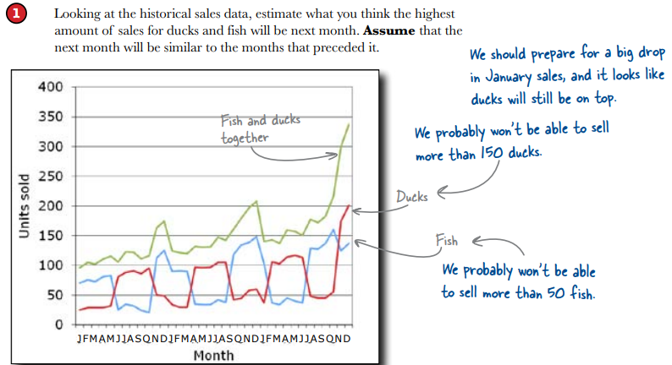
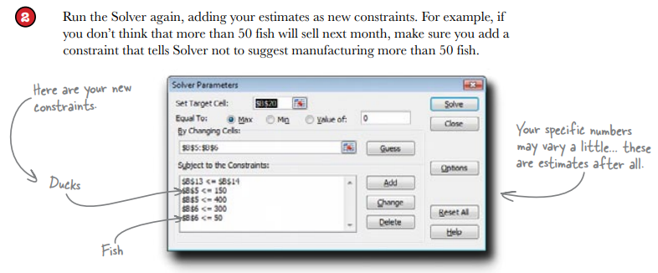
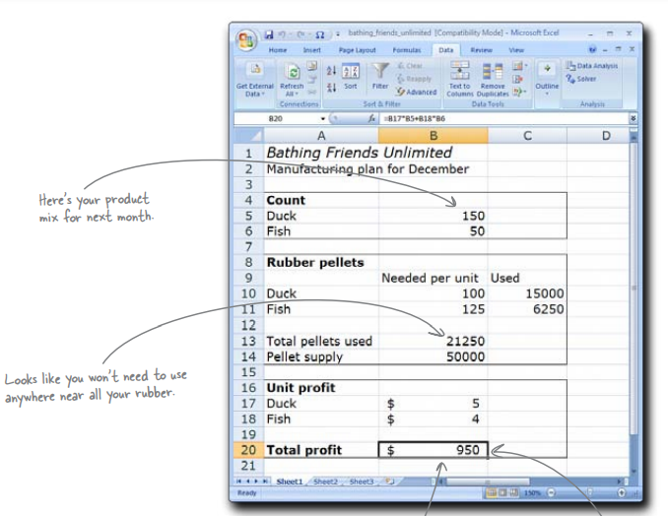
What data do you need to solve this problem?

First of all, it’d be nice to have data on just how profitable ducks and fish are. Is one more profitable than the other? But more than How much rubber does it take make these products? And how much that, it’d be nice to know what other factors constrain the problem. time does it take to manufacture these products?
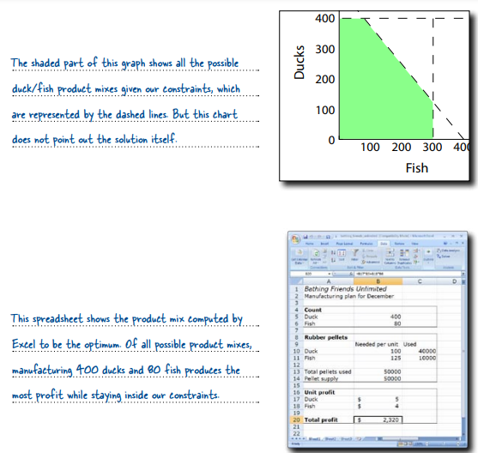

What assumption do you need to include in order to get your optimization model working again?

There’s nothing in the current model that says what people will actually buy. The model describes time, rubber, and profit, but in order for the model to work, people would have to buy everything we make. But, as we saw, this isn’t happening, so we need an assumption about what people will buy.

Is there a pattern in the sales over time that hints at why Ducks didn’t sell well last month?

Duck sales and fish sales seem to go in opposite directions. When one’s up, the other’s down. Last month, everyone wanted fish.

